Sheet1
 |  | Document No. | Issue No. | Issue Date |  | Review and Replace Date |  |  | Authorised By
 |  | GFF174MC | 3 | 21.04.2020 |  | 21.12.2021 |  |  | Magda Shah
 |  | Document Title | 4 VEGETABLE SAMOSA 160G
Document amendments reason for change |  | Film Updated |  |  | Page 1 of 1 |  | Previous Issue Date | 22.02.2021 | Uncontrolled copy unless signed original

CVSAC-R6TEB | BOOTHS |  | 4 VEGETABLE SAMOSA 160G

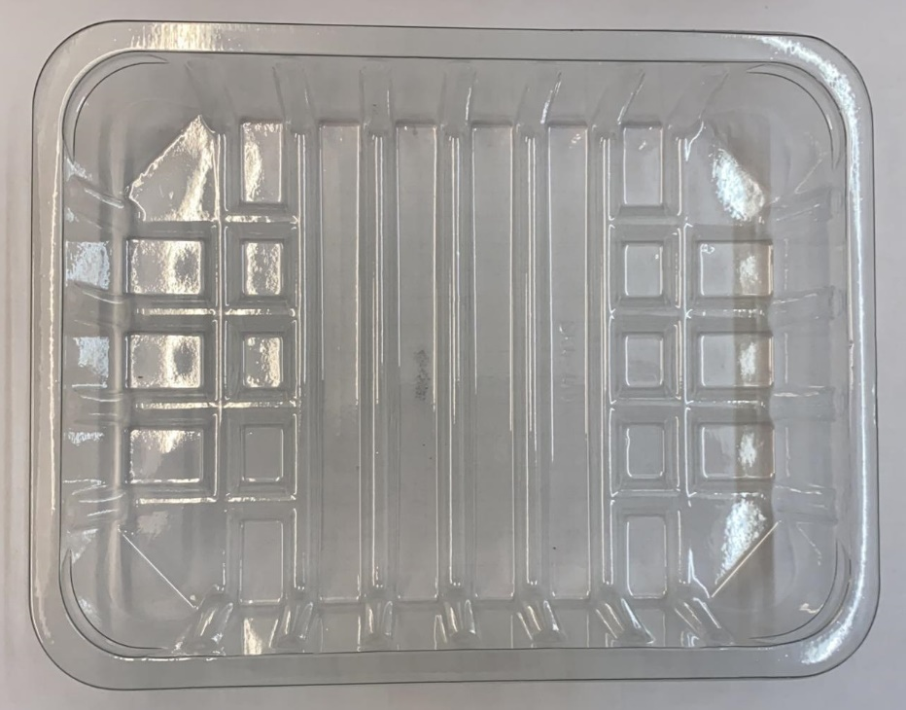 |  |  |  |  | 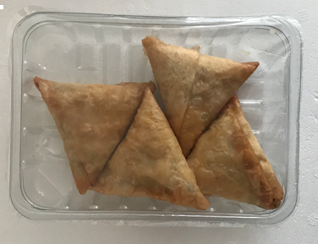

Tray: SK4-Plain Clear (PKESS001-07) |  |  |  |  | 4 x Vegetable Samosa (GFF003R): 40g
Film: ME300AFV2, 300mmx 1000m (PKPRO001-16) |  |  |  |  | Total Weight: 160g
ALLERGY ALERT: WHEAT

